1 – Organization Request
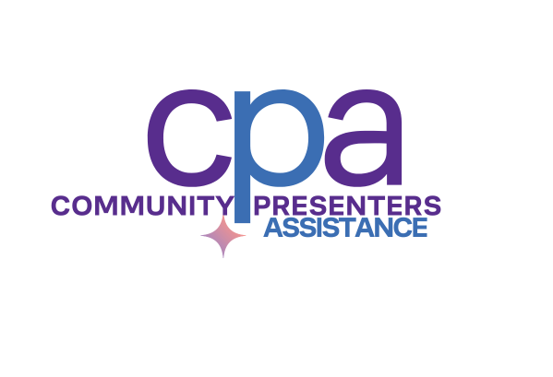
 | Community Presenters Assistance WORKBOOK ONLY
CPA is a partnership program of the BC Touring Council, the Province of BC and the BC Arts Council | ORGANIZATION INFORMATION
 | Organization
 | Mailing Address:
CPA is a partnership program of BC Live, the Province of BC and the BC Arts Council. | City/Community:
 | Postal Code:
 | Email:
 | Phone:
 | Web:
First Time Applicant? | BC Society #
Contact the Program Manager before submitting an application. Sheryl McGraw sheryl@bclive.ca T: 250-352-0021 | Date of Incorporation:
 | Fiscal Year End:
 | DECLARATION & CONSENT
 | One of those submitting MUST be a Board Member. The primary contact is the one completing the application (board member, artistic or executive director, development/fundraising staff, etc). "In submitting this application, we declare that: 1) we meet all of the eligibility criteria to apply; 2) the information provided is complete and true in every respect; 3) this application has been approved by the board of directors of the society; 4) we are committed to providing safe and respectful working conditions and to fostering a workplace free from discrimination, harassment and misconduct as per Worksafe BC's Guidelines; 5) any information submitted with this application has been done so with authorization from the individual(s) concerned.
 | PRIMARY CONTACT (person completing form)
 | Name:
 | Title:
 | Email:
 | Telephone:
 | SECONDARY CONTACT (board member)
 | Name:
 | Title:
 | Email:
 | Telephone:
 | REQUEST - applicants are eligible to apply for up to $20,000. The figure should match the eligible amount listed in the Performances-Series/Season list.
 | Amount Requested
 | # Paid Staff (full-time): List only those who work on your presenting season
 | # Paid Staff (part-time/contract): List only those who work on your presenting season
 | # Volunteers

